Sheet1
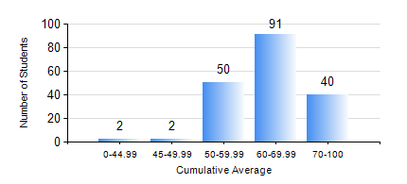
 |  |  | KWAME NKRUMAH UNIVERSITY OF SCIENCE AND TECHNOLOGY, KUMASI Department of Civil Engineering

 |  |  | BSC. CIVIL ENG.

 |  |  | COMPREHENSIVE RECORD OF EXAMINATION RESULTS

 |  |  | RESULTS OF YEAR 2 SECOND SEMESTER, 2020/2021 ACADEMIC YEAR

 | Sn | Course Code |  | Course Name | Credit Hours | Min. Mark | Max. Mark | Avg. Mark | Std. Dev. | No. Passed | No. Trailed | No. (Df) | No. (I) | No. (I*) | No. Tagged(I,I*,Df) | Total
 | 0. |  |  |  |  |  |  | 0 | 0 | 0 | 0 | 0 | 0 | 0 | 0 | 8
 | 1. | CE 256 |  | FLUID MECHANICS | 3 | 23 | 85 | 59 | 11.45 | 173 | 4 | 0 | 0 | 0 | 0 | 177
 | 2. | CE 260 |  | SOIL AND ROCK MECHANICS | 3 | 26 | 95 | 59 | 14.57 | 172 | 5 | 0 | 0 | 0 | 0 | 177
 | 3. | CE 264 |  | INTRODUCTION TO ENVIRONMENTAL ENGINEERING | 2 | 40 | 93 | 62 | 11.42 | 177 | 0 | 0 | 0 | 0 | 0 | 177
 | 4. | ENGL 264 |  | LITERATURE IN ENGLISH | 1 | 41 | 76 | 59 | 6.85 | 177 | 0 | 0 | 0 | 0 | 0 | 177
 | 5. | GE 282 |  | LARGE SCALE SURVEYING | 4 | 24 | 97 | 70 | 15.17 | 175 | 2 | 0 | 0 | 0 | 0 | 177
 | 6. | MATH 252 |  | ANALYSIS IV | 4 | 28 | 87 | 53 | 11.84 | 161 | 16 | 0 | 0 | 0 | 0 | 177

